MAS REQUEST REPORT FORM
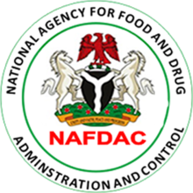

 |  | MAS REQUEST REPORTING FORM FOR SERVICE PROVIDERS

 | Service Provider name | --------------------------------------------------------------
 | Reporting month | --------------------------------------------------------------

SN | Product Name | Product type (e.g. antimalarial, antibiotics) | Dosage Formulation | NAFDAC Registration Number (NRN) | Country of Production | Brand name | Generic Name | Date of Manufacture | Date of Expiry | Batch No | Last 4 digits of PIN | Location of MAS request | Query/Request status (Response) Genuine Fake Invalid
1 | Combisunate Tabs | Antimalarial | Tablets | A4-5549 | India | Ajanta Pharma Care | NA | 2016-06-01 | 2021-08-31 | ctabs-1 | 68R5 | Lagos | Genuine

